1. Title Page
Grocery basket analysis*

Analyst name: Diana Postica

Contents:
Population Flow
Consistency checks
Wrangling steps
Column derivations
Visualizations
Recommendations

 | *"The Instacart Online Grocery Shopping Dataset 2017”, Accessed from www.instacart.com/datasets/grocery-shopping-2017 via Kaggle in September 2023.

2. Population Flow
Title page

Population flow

Exclusion flag
Condition: max_order < 5
Obervations to be removed:1.440.295
Final total count of order_products_all: 30.964.564

Orders_products_combined
Orders_products_all
Orders_products_merged

Total: 32.404.859
Total: 32.404.859
Total: 32.434.489

3. Consistency checks
 |  |  |  | Title page

Consistency checks

Exclusion flag
Condition: max_order <
Obervations to be removed:
Final total count of order_products_all:

Dataset | Missing values | Missing values treatment | Duplicates
orders | 206206 values in 'days_since_prior_order' | no intervention. NaN are not crucial for analysis | none
products | 16 values in 'product_name | created a new df having NaN dropped | 5 duplicated observation
orders_products_prior | none | - | 30729896 observations that can not be treated as duplicates, because they are simply orders that have been repeted
customers | 11259 values in 'First Name' | no intervention. NaN are not crucial for analysis | no duplicates
departments | none | - | none

4. Wrangling steps
Wrangling steps

Dataset | Columns dropped | Comment/Reason | Columns renamed | Comment/Reason | Columns' type changed | Comment/Reason
orders | eval_set | Unnecessary for the analysis. Dropping it will save memory space and the code will work faster | order_dow > orders_day_of_week | orders_day_of_week ' is a more explicit name than 'dow' | order_id; user_id | the numbers represent strings, changing the dtype from int to string will spare memory when performing descriptive analytics
products | - | - | - | - | - | -
customers | First Name; Surnam | For saving memory usage | Gender>gender; STATE>state; Age>age | for more consistent naming | user_id | -
orders_products_prior | - | - | - | - | - | -

 |  |  |  |  | ↓ | ↓

 |  |  |  | In subsequent steps of combining multiple data frames, the data type of many numeric columns was converted to smaller integers (for example:int64>int32) to avoid memory usage errors.

5. Column derivations
Column derivations and aggregations

Dataset | New column | Column/s it was derived from | Conditions
ords_prods_merged | price_label | prices | If price<=5, then 'Low-range product'. If price>5 & price<=15,then 'Mid-range product'. If price>15,then 'High-range product'
ords_prods_merged | busiest_days | orders_day_of_week | If the order was made on Saturday or Sunday, then 'Busiest days'.If the order was made on Tuesday or Wednesday, then 'Least Busy'. If the order was made on any other day, then 'Regularly busy'
ords_prods_merged | order_hour_of_day | busiest_period_of_day | If the order was placed between 23:00-06:00, then 'Fewest order. If the order was placed between 09:00-16:00, then 'Most orders'. If at any other time then 'Average order'
ords_prods_merged | spending_flag | prices_mean | If the mean of the prices of products purchased by a user is lower than 10, then flag them as a 'Low spender.' If the mean of the prices of products purchased by a user is higher than or equal to 10, then flag them as a 'High spender'.
ords_prods_merged | loyalty_flag | max_order | If the maximum order made by a user is less or equal to 10, then 'New customer'. If higher than 10 or less or equal to 40, then 'Regular customer'. If higher than 40, then 'Loyal customer'.
ords_prods_merged | frequency_flag | order_median | If the median is higher than 20, then the customer should be labeled a 'Non-frequent customer'. If the median is higher than 10 and lower than or equal to 20, then the customer should be labeled a 'Regular customer'. If the median is lower than or equal to 10, then the customer should be labeled a 'Frequent customer'.
ords_prods_merged | geographic_area | state | States are grouped according to the regions they belong to,namely, 'South','West','Midwest','Northeast'.
ords_prods_merged | customer_activity | max_order | If the maximum number of orders is less than 5, then the customer has a low activity. If is greater or equal to 5, then the customer has a high activity.
ords_prods_merged | income_power | income | If the custmer's income is lower than 40000, then 'low income. If higher than 40000 and smaller than 150000, then 'middle income'. If higher than 150000, then 'high income'.
ords_prods_merged | age_group | age | If the age is between 18 and 35 then the person is a young adult. If between 36 to 50, then they are considered middle-aged. If between 51 and 65, then senior adult. If older than 66 then elderly adult.

6. Visualizations
Visualisations

The sales team needs to know what the busiest days of the week and hours of the day are (i.e., the days and times with the most orders) in order to schedule ads at times when there are fewer orders.

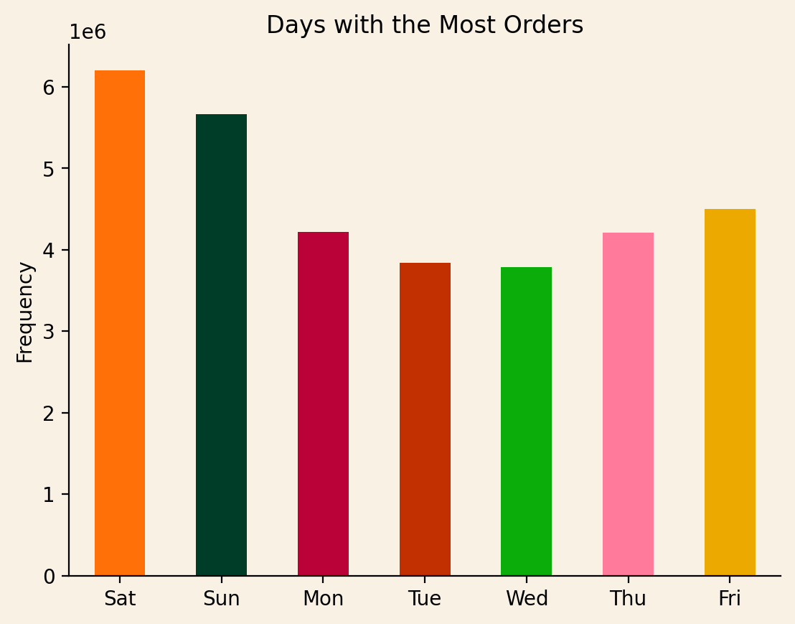

 | Saturday and Sunday are the busiest days of the week.
 | Monday, Thursday and Friday are days with a regular amount of orders.
 | On Tuesday and Wednesday orders drop.

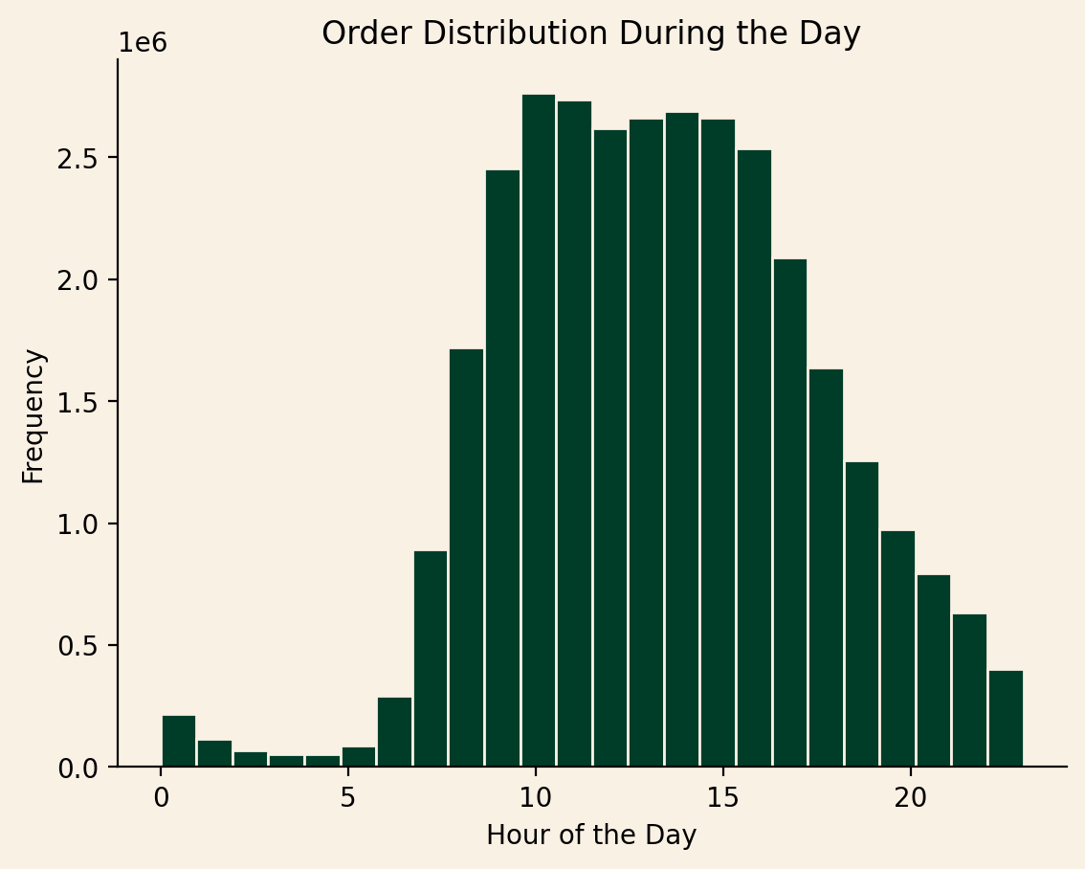

 |  |  |  |  |  |  |  |  |  | Orders

 |  |  |  |  |  |  | 09:00-16:00 |  |  | 20 M
 |  |  |  |  |  |  | 15:00-22:00,07:00-08:00 |  |  | 9 M
 |  |  |  |  |  |  | 23:00-06:00 |  |  | 1 M

 |  |  |  |  |  |  |  | People are placing their orders between 10:00 and 16:00 hours the most.
 |  |  |  |  |  |  |  | In the night hours and early in the morning, between 00:00 - 07:00, number of orders drop drastically.

They also want to know whether there are particular times of the day when people spend the most money, as this might inform the type of products they advertise at these times.

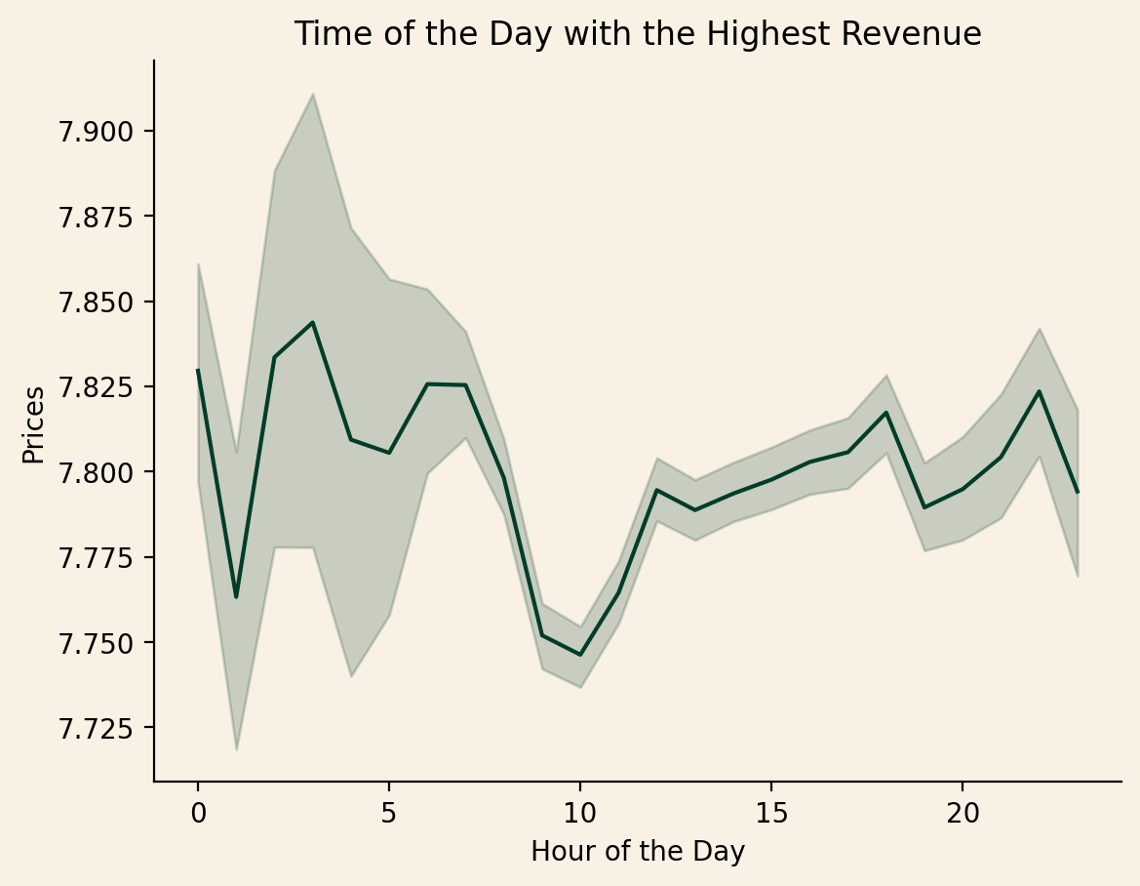

The revenue range between 7.750 and 7.850
People spend most money at night, between 02:00-03:00.
The revenue drops between 07:00-10:00.
We can conclude that the highest revenue is not generated when the most orders are placed.
Thus, the products bought at less busy hours are more expensive than those bought in the peak of the day.

Instacart has a lot of products with different price tags. Marketing and sales want to use simpler price range groupings to help direct their efforts.

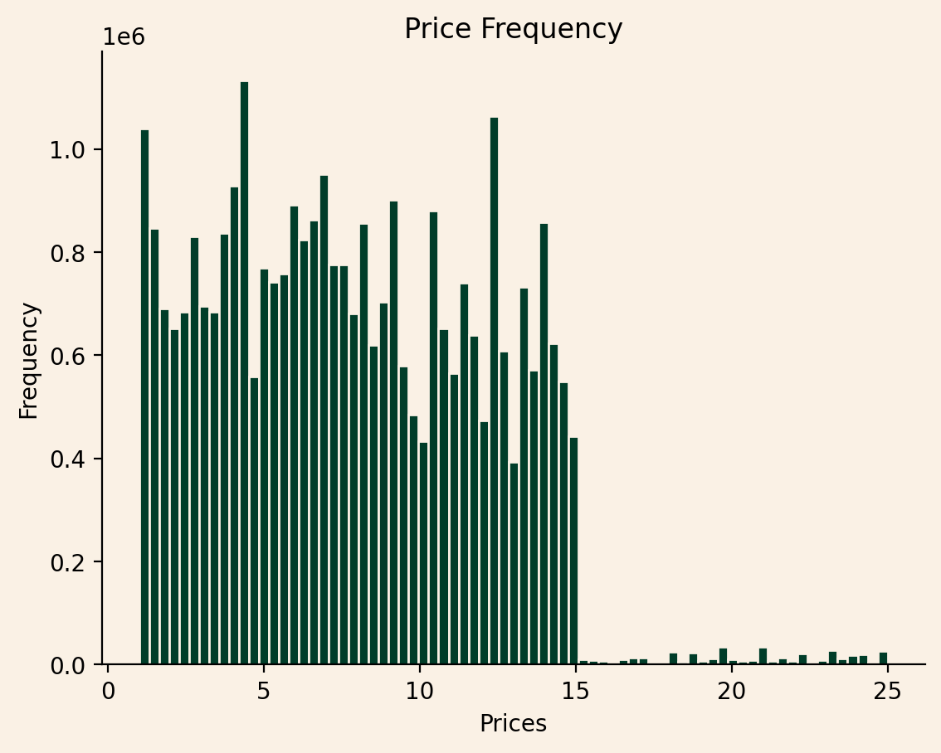

 |  |  |  |  |  |  |  | The prices at Instacart range between 1$ and 25$
 |  |  |  |  |  |  |  | We can create three price labels, for an easier categorization of the products.

Product Units Sold in %
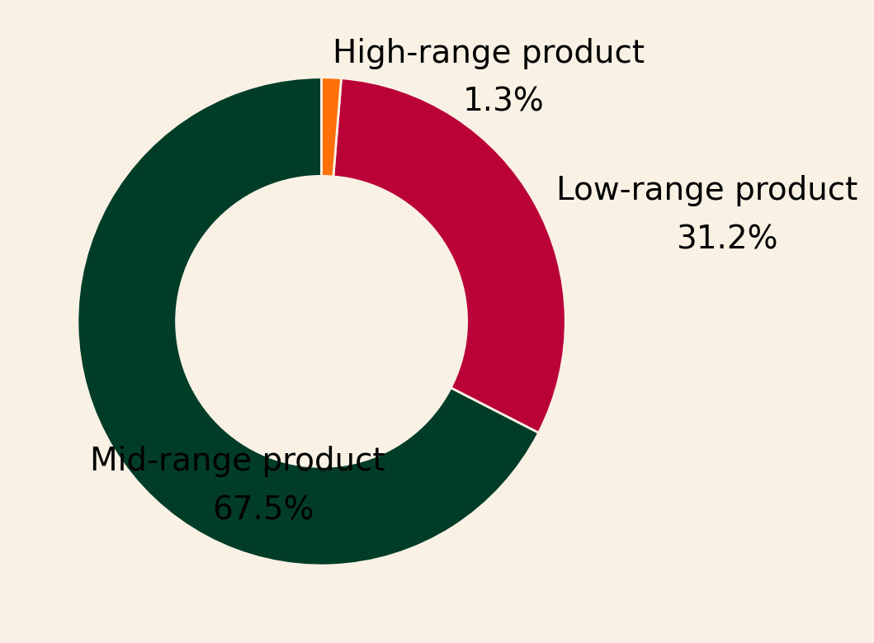

 |  |  |  | Units Sold | Revenue in $

 |  | Mid-range product |  | 21.8 M | 213.3 M
 |  | Low-range product |  | 10 M | 30.6 M
 |  | High-range product |  | 417 K | 8.5 M

Are there certain types of products that are more popular than others? The marketing and sales teams want to know which departments have the highest frequency of product orders.

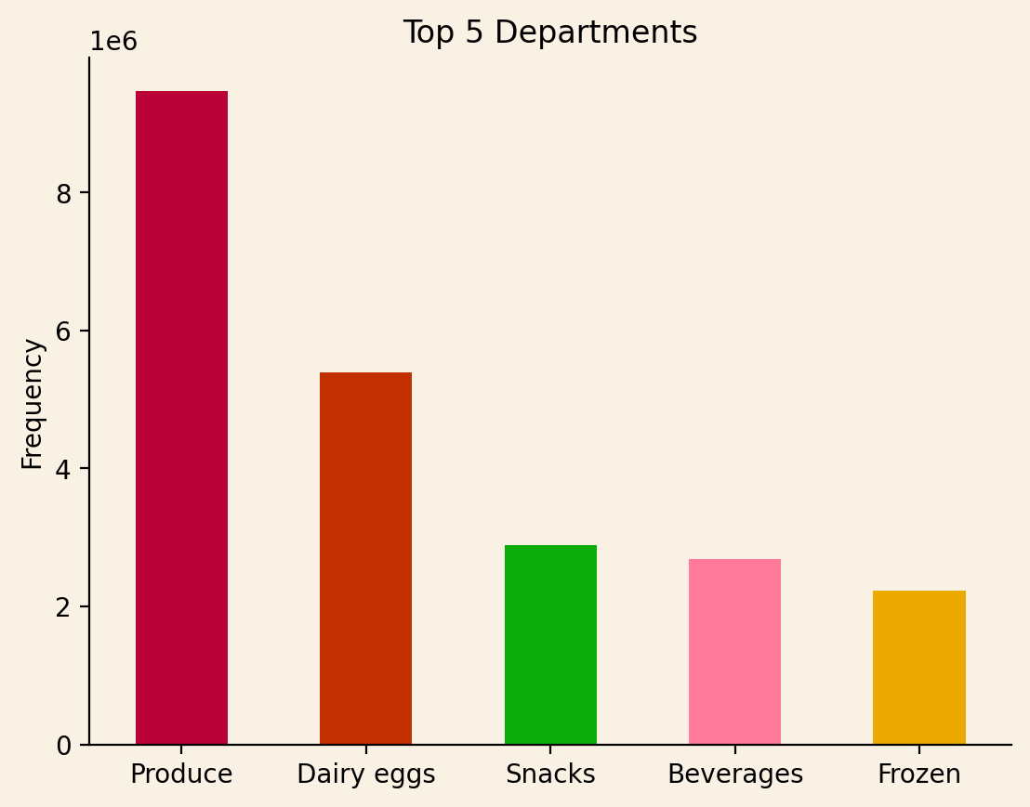

 |  | Most selling products are from produce department, followed by dairy eggs, snacks, beverages and frozen

The marketing and sales teams are particularly interested in the different types of customers in their system and how their ordering behaviors differ.

Total Numbers of Clients
162.631

What’s the distribution among users in regards to their brand loyalty (i.e., how often do they return to Instacart)?

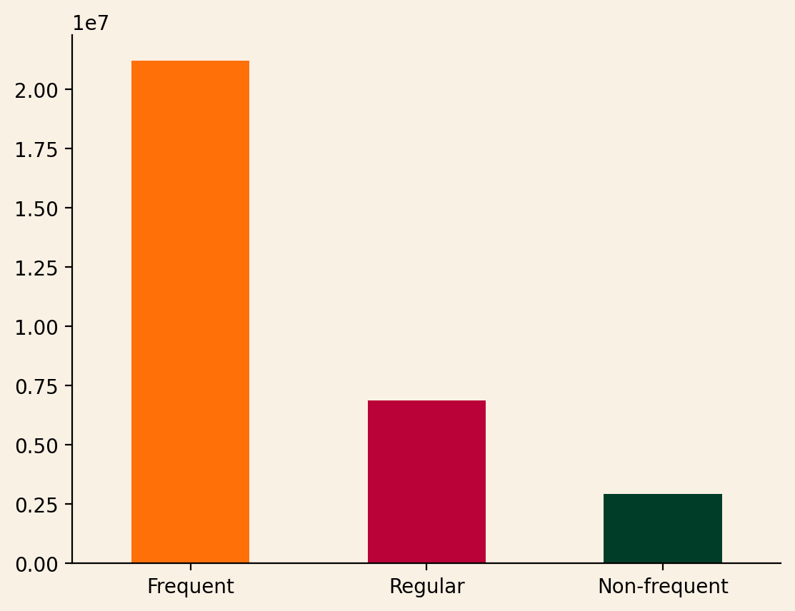

 |  |  |  |  |  |  |  |  | 21.2 M
 |  |  |  |  |  |  |  |  | 6.8 M |  | Times the orders have been placed
 |  |  |  |  |  |  |  |  | 2.8 M

 |  |  |  |  |  |  |  |  | The company's customer base consists of frequent customers.

 |  |  |  |  |  |  |  |  | Frequent, Non-frequent, and Regular Customer Distribution

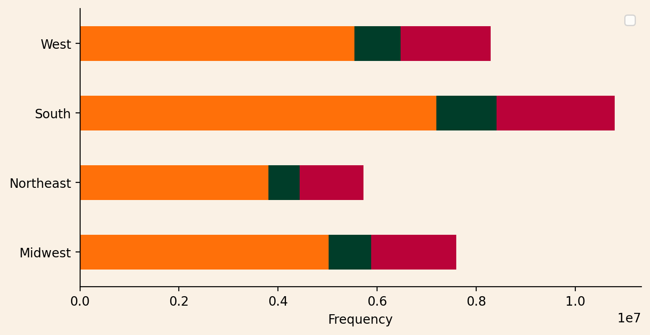

 | Instakart is most popular in the South region and less in the Northeast.

 | Across all regions customer distribution has a similar construction. The frequent customers form the base. These are people who's reordering time is less than 10 days. Next are regular customers. The reorder time varies between 10 and 20 days. Non frequent customers' reorder time is 20 days and higher.

Are there differences in ordering habits based on a customer’s loyalty status?

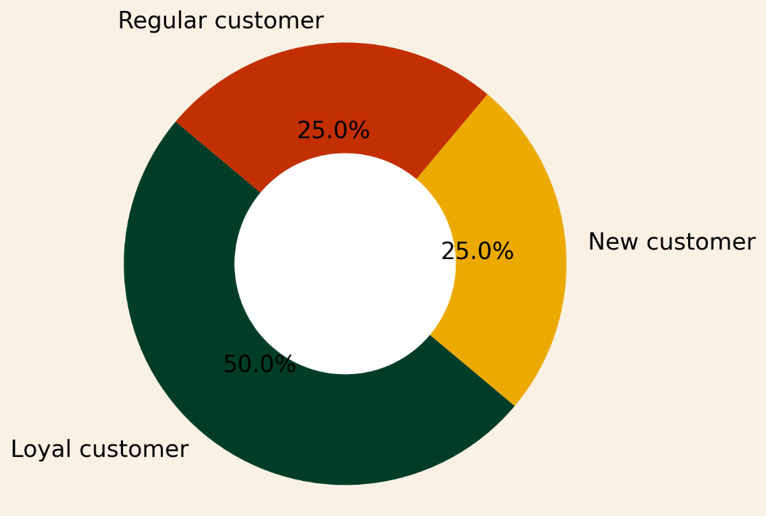

 |  |  |  |  |  |  |  | 50% of the buyers are loyal customers who have placed orders more than 40 times.
 |  |  |  |  |  |  |  | 25% of the customer base consists of buyers who use Instacart regularly. These users already made more than 10 orders

 |  |  |  |  |  |  |  | With 25 % of the total, new customers have a pretty big share of the pie.

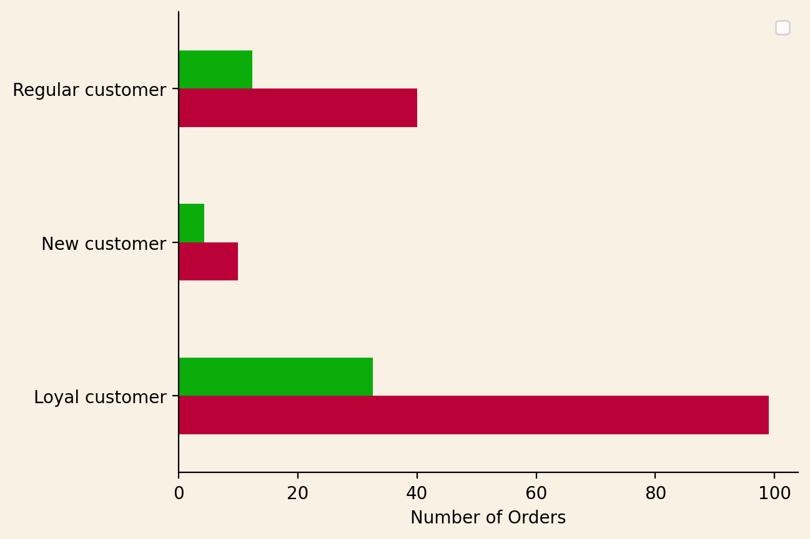

 |  |  | Average | Maximum
 | Regular customer |  | 12 | 40
 | New customer |  | 4 | 10
 | Loyal customer |  | 33 | 99

Are there differences in ordering habits based on a customer’s region?

 |  |  |  |  |  | 2% |  |  | 98%
 |  |  |  |  |  | Low Spender |  |  | High Spender
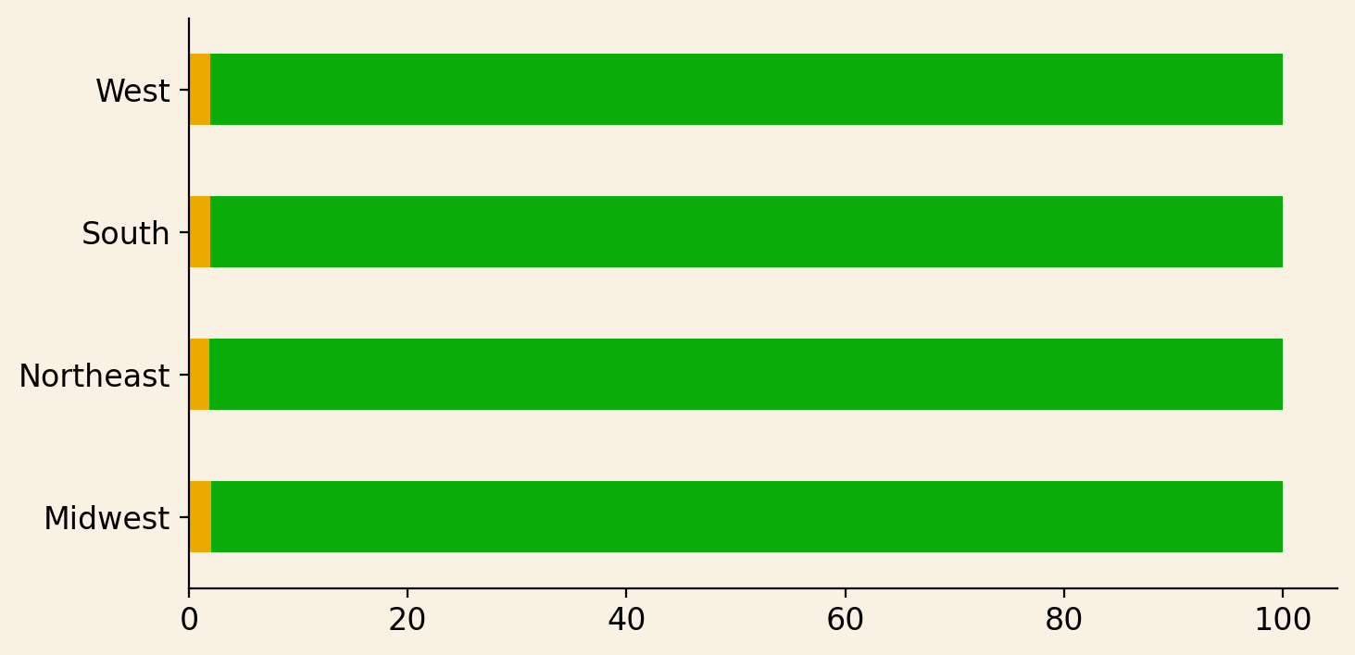
 |  |  |  |  |  |  | 160 K |  | 8.1 M
Order ratio between low and high spenders is the same across all four regions.
Most of the orders are placed in South, followed by West, Midwest and Northeast.
 |  |  |  |  |  |  | 209 K |  | 10.5 M

 |  |  |  |  |  |  | 108 K |  | 5.6 M

 |  |  |  |  |  |  | 155 K |  | 7.4 M

Is there a connection between age and family status in terms of ordering habits?

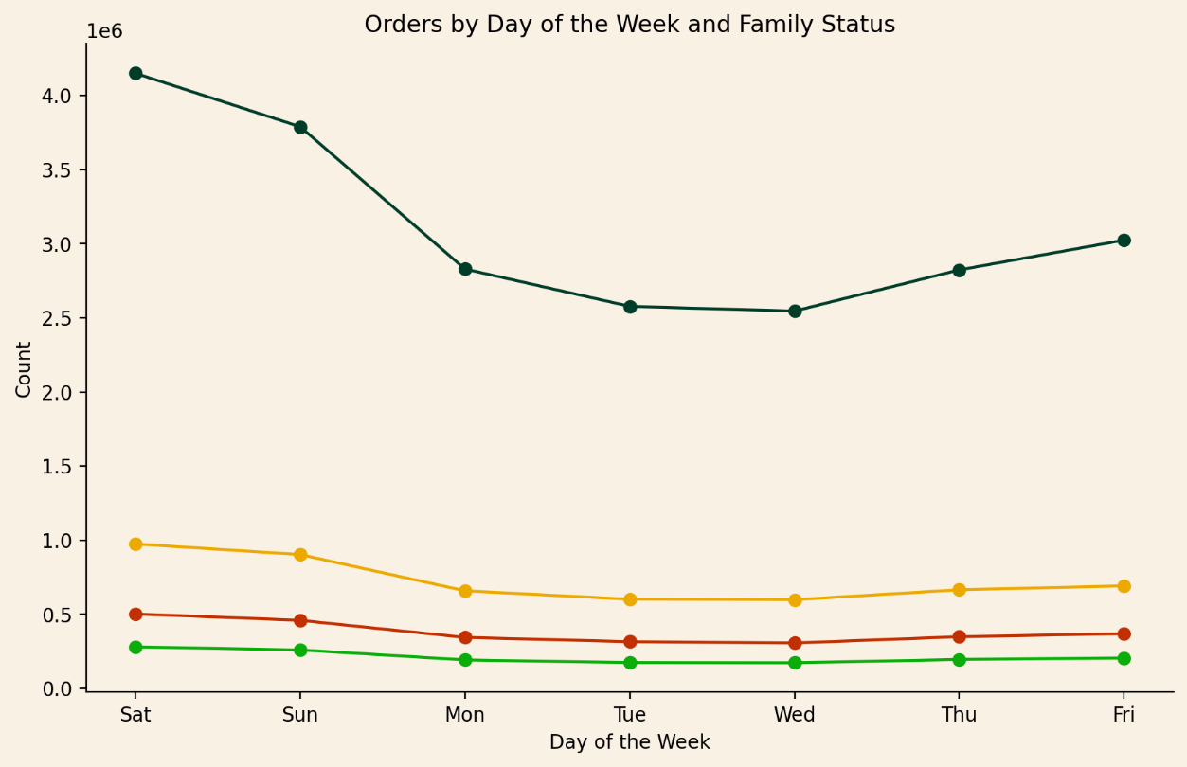

 |  |  |  |  |  | Married
 |  |  |  |  |  |  |  |  |  | The number of orders fluctuate the most for married people.
 |  |  |  |  |  |  |  |  |  | Single people order slightly more on weekends than during the week.
 |  |  |  |  |  |  |  |  |  | Divorced/widowed individuals and those living with their parents have a consistent habit of ordering all week long.

 |  |  |  |  |  | Single
 |  |  |  |  |  | Divorced/widowed
 |  |  |  |  |  | Living with parents and siblings

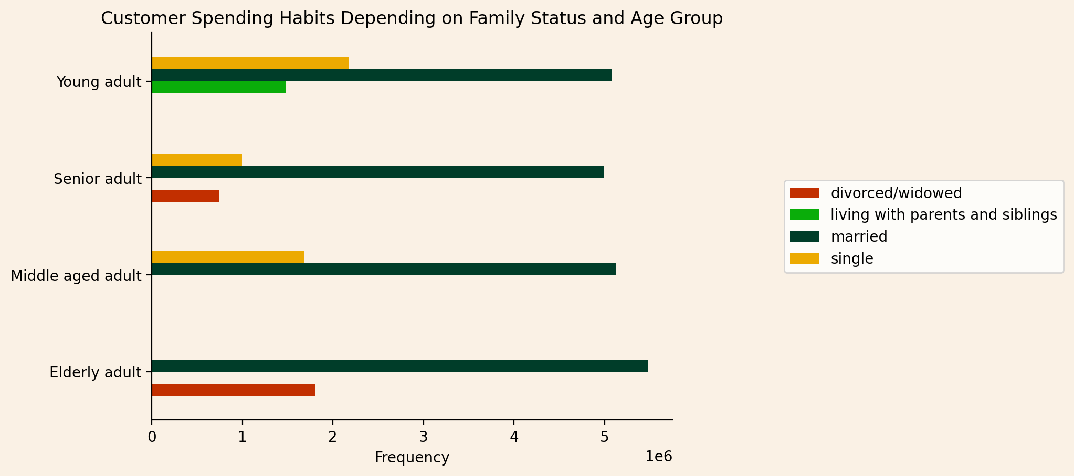

 | Only young people live with their parents and siblings.
 | Divorced/ widowed group consists of people older than 51 years, namely senior and elderly adults.

 | There aren't observed any single people aged over 66 years old.
 | All the middle aged people in our database are either married or single.

What different classifications does the demographic information suggest? Age? Income? Certain types of goods? Family status?

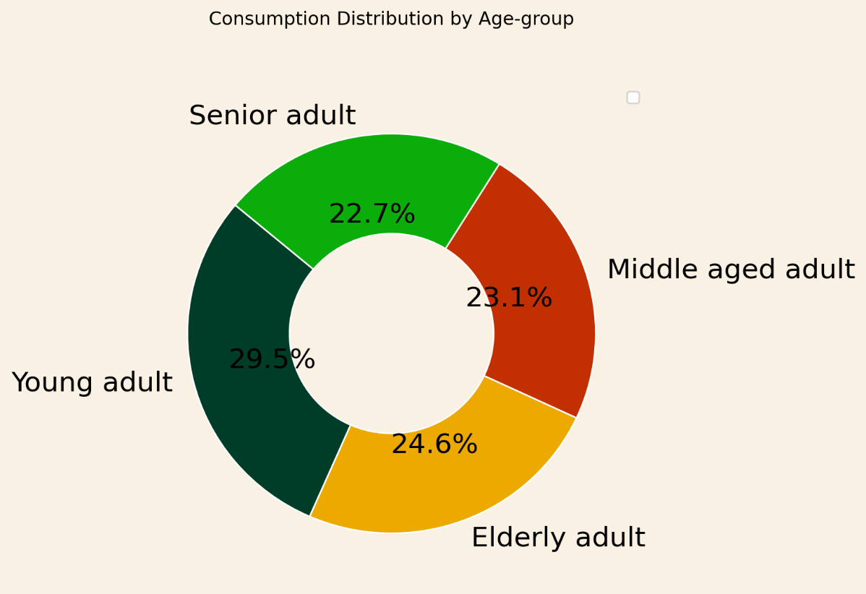

 |  |  |  |  |  |  |  | Consumption habits do not change much according to age.
 |  |  |  |  |  |  |  | However, by a small margin, young adults are in first place when it comes to ordering.

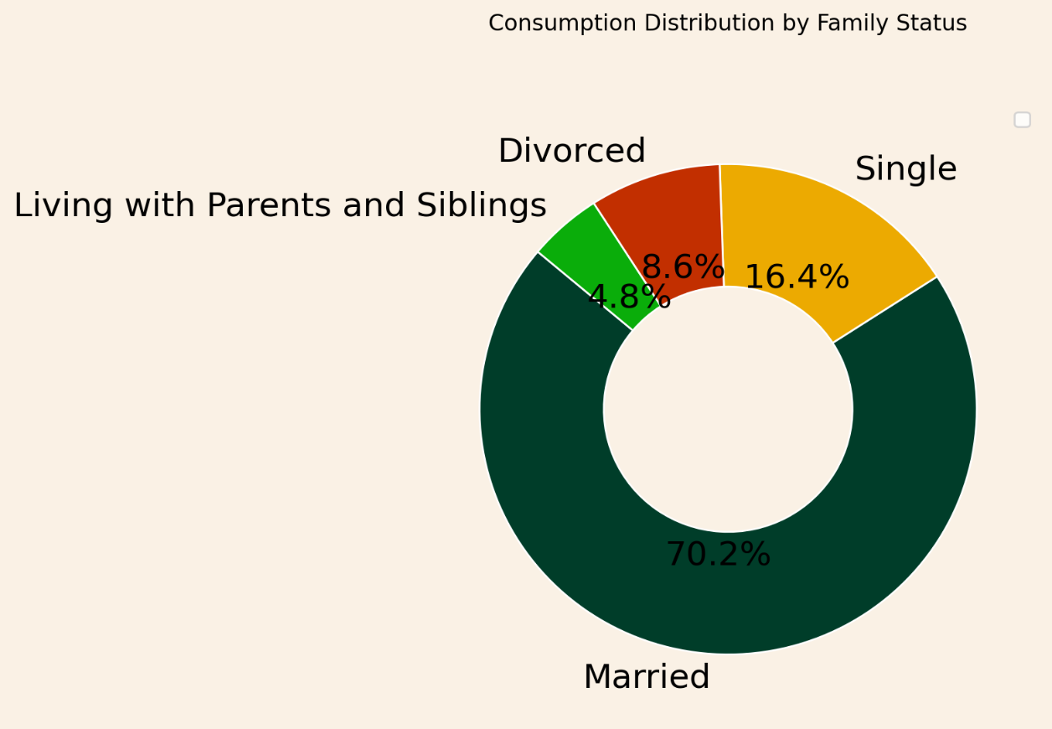

 |  | Married people consume 4 times more than single ones.
 |  | People who live with their parents and siblings order the least.

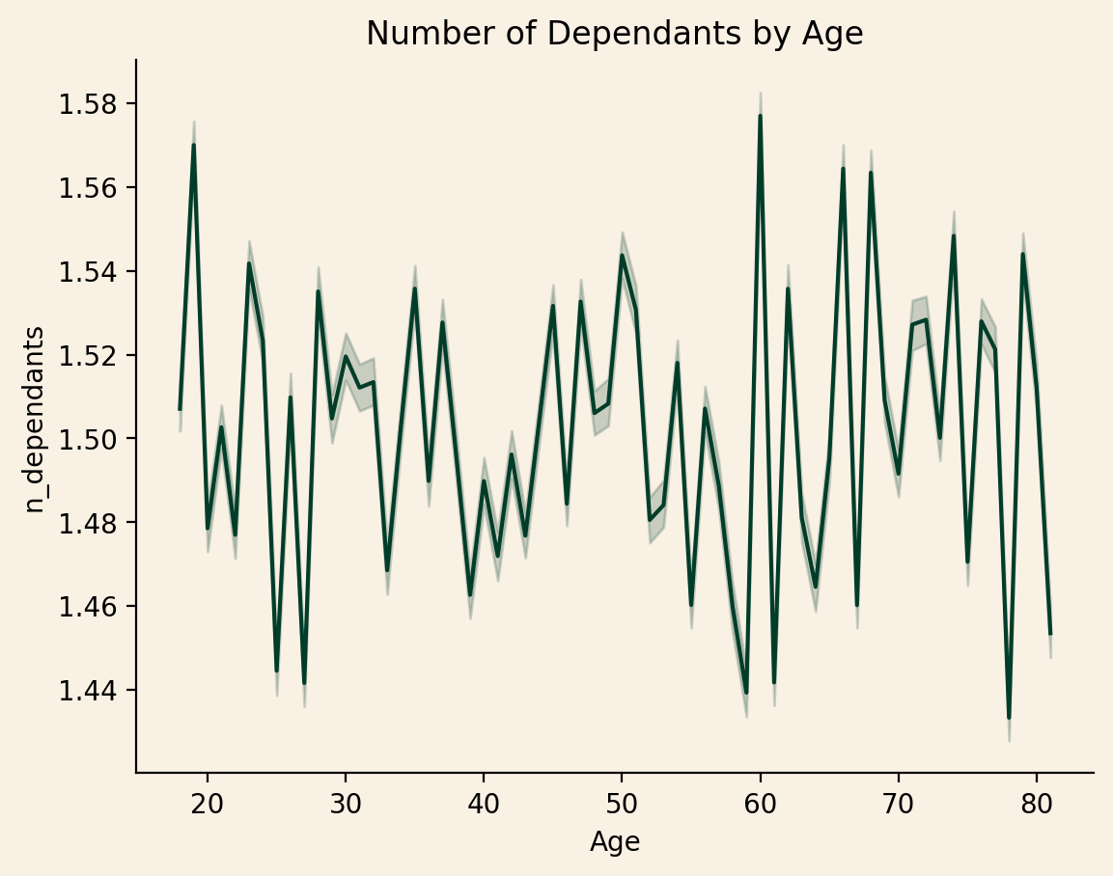

 |  |  |  |  |  |  |  | The number of dependants is not correlated to age in any way.
 |  |  |  |  |  |  |  | Between 18 and 80 years of age, the number of dependents varies without any regularity.

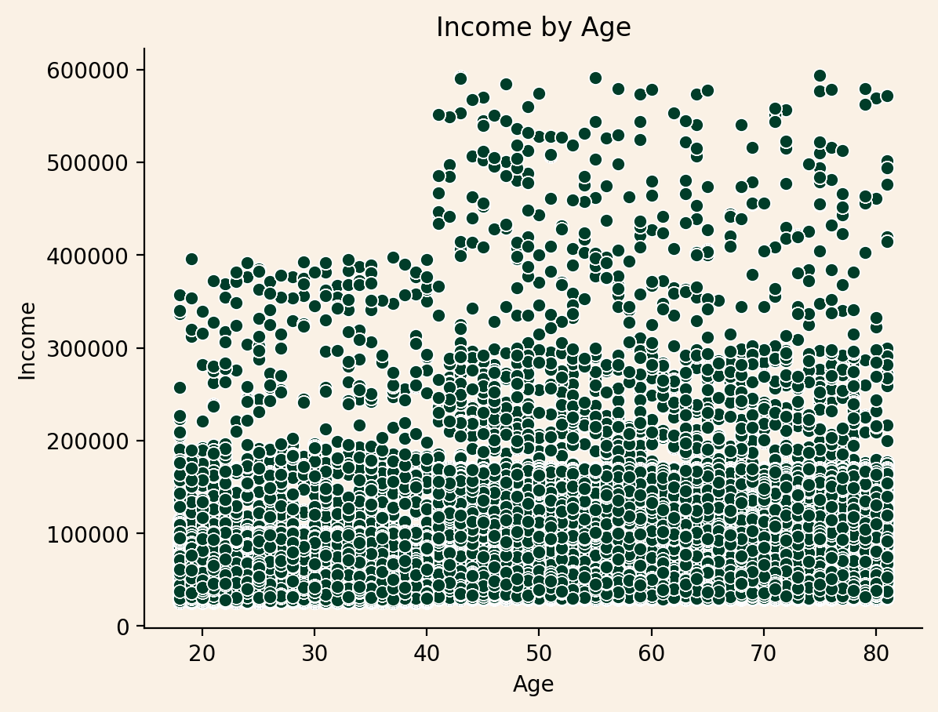

 |  | Although it varies, it is observed that income increases with aging.
 |  | The highest income is earned by people over 40 years of age.
 |  | The minimum income is 25.903 $
 |  | The average income is 99.675 $

What differences can you find in ordering habits of different customer profiles? Consider the price of orders, the frequency of orders, the products customers are ordering, and anything else you can think of.

 |  |  |  |  |  |  |  |  | Top 10 Products Sold (in units)

 |  |  |  |  |  |  |  |  | Banana |  | 453 K
 |  |  |  |  |  |  |  |  | Bag of Organic Bananas |  | 366 K
 |  |  |  |  |  |  |  |  | Organic Strawberries |  | 255 K
 | Regardless of what time of day it is or what family status one has, top products sold don't change. |  |  |  |  |  |  |  | Organic Baby Spinach |  | 231 K
 |  |  |  |  |  |  |  |  | Organic Hass Avocado |  | 206 K
 |  |  |  |  |  |  |  |  | Organic Avocado |  | 168 K
 |  |  |  |  |  |  |  |  | Large Lemon |  | 145 K
 |  |  |  |  |  |  |  |  | Strawberries |  | 136 K
 |  |  |  |  |  |  |  |  | Limes |  | 134 K
 |  |  |  |  |  |  |  |  | Organic Whole Milk |  | 133 K

7. Recommendations
Recommendations

1.The sales team needs to know what the busiest days of the week and hours of the day are (i.e., the days and times with the most orders) in order to schedule ads at times when there are fewer orders.
 | Advertise the products between 18:00 and 07:00 on Tuesdays and Wednesdays. Consider running some sales and special offers on these days.

2.They also want to know whether there are particular times of the day when people spend the most money, as this might inform the type of products they advertise at these times.
 | Between 07:00 and 10:00 advertise the products with the higher price, as this might increase the revenue.

3.Instacart has a lot of products with different price tags. Marketing and sales want to use simpler price range groupings to help direct their efforts
 | Group the prducts in three category. Low range produc 1$ - 5$ Mid range product 6$ - 15$ High range product 16$ - 25 $

4.Are there certain types of products that are more popular than others? The marketing and sales teams want to know which departments have the highest frequency of product orders.
 | Top 5 selling departments are produce, dairy eggs, snacks, beverages, and frozen. Promote the less selling products with the most selling ones together. For example, apply a discount for dairy eggs for customers who buy breakfast products. In this case, the buyers' satisfaction rises when s/he sees that her/his favourite product is on a discount and now s/he is also encouraged to buy a less selling product.

5.he marketing and sales teams are particularly interested in the different types of customers in their system and how their ordering behaviors differ. For example:

a.What’s the distribution among users in regards to their brand loyalty (i.e., how often do they return to Instacart)?
 | A solid number of customers are placing their orders at most every 10 days. This behavior should be rewarded, so the current frequent customers' satisfaction increases and the less frequent users are encouraged to reorder frequently. Giving discounts to loyal and frequent users may lead to a profit loss, as they are forming the customer base. Instead, a point-based reward system will be much more efficient. Customers will be able to get gifts, free delivery, or purchase goods with the collected points. For example a reminder points gain for reordering at least every 20 days, will encourage non-frequent buyers to become regulars.

b.Are there differences in ordering habits based on a customer’s loyalty status?

 | A quarter of customers have an average of only 4 orders. I recommend setting goals to make new customers become regulars as this will result in a high increase in revenue.

 | For example, a reward for every 10. th order might attract users to use Instacart more often.

c.Are there differences in ordering habits based on a customer’s region?
 | Instacart is most popular in South, as most of the orders are being placed in cities in this region. The least popular is in the Midwest. I recommend running more advertisement in this region.

d.Is there a connection between age and family status in terms of ordering habits?
 | Generally, regardless of the day, people's ordering habits are almost the same. However, a significant increase in orders is observed on Saturday and Sunday among married people. We can conclude that a person's family status does affect how often they order. As can be seen, married people order 4 times more than single people. To attract single people, divorced people and people who live with their families, advertising should be targeted specifically to this customer profiles.

e.What different classifications does the demographic information suggest? Age? Income? Certain types of goods? Family status
 | Age is not a factor when it comes to ordering. People of all ages order from Instacart, from 18 to 81. Moreover, the number of dependents does not change with age. Yet we see a weak correlation between age and income. As the chart shows, people with the highest income are also people who are older. But the income does not influence the number of orders made. We already came to the conclusion that with a small difference, young people are ordering the most. Thus age and income shouldn't be taken into consideration when planning the advertisement and special offers. The orders in influenced by the one's family status.

f.What differences can you find in ordering habits of different customer profiles? Consider the price of orders, the frequency of orders, the products customers are ordering, and anything else you can think of. | After checkin for the products ordered taking into account the time of day and the person's family situation, the analysis shows that the best-selling products are the same regardless of these two factors. A promotion including top-selling products shall increase the orders overall

